Valuation Score
Custom Index Valuation Score

Start Date | 2015-01-01 |  | LET | LET( #pe=last(zscore(HEADLINE_PE_RATIO(fpt=#period,fpo=#offset)),1).value; #ps=last(zscore(HEADLINE_PX_TO_SALES(fpt=#period,fpo=#offset)),1).value; #pb=last(zscore(PX_TO_BOOK_RATIO(fpt=#period,fpo=#offset)),1).value; #EV_EBIT=last(zscore(EV_TO_EBIT),1).value; #div_yld=last(zscore((IS_DIV_PER_SHR/px_last)*100),1).value; #val_score=GROUPSORT( IF(#pe<-1,1,IF(#pe>1,-1,IF(#pe > -1 AND #pe < 1, 0,na))).value + IF(#EV_EBIT<-1,1,IF(#EV_EBIT>1,-1,IF(#EV_EBIT > -1 AND #EV_EBIT < 1, 0,na))).value + IF(#ps<-1,1,IF(#ps>1,-1,IF(#ps > -1 AND #ps < 1, 0,na))).value + IF(#pb<-1,1,IF(#pb>1,-1,IF(#pb > -1 AND #pb < 1, 0,na))).value + IF(#div_yld>1,1,IF(#div_yld < -1 ,-1,IF(#div_yld > -1 AND #div_yld < 1,0,na))).value) ;)
End Date | 2023-08-28
FPT | A
FPO | 1
Index Tickers | SPX Index
 | SX5E Index
 | UKX Index
 | HSI Index
 | CAC Index
 | MXWO Index
 | MXEF Index
 | NKY Index |  | GET | GET(#val_score,#pe,#ps,#pb, #EV_EBIT,#div_yld)
 | NIFTY Index |  | FOR | FOR(#list)
 | KOSPI Index |  | WITH | WITH(dates=range(#START,#END),fill=prev,mode=cached)
 | DAX Index
 | NDX Index
 | AS51 Index | Query starts here | ID | #val_score | #pe | #ps | #pb | #EV_EBIT | #div_yld
 |  |  | UKX Index | 3 | -1.21 | -0.55 | -1.12 | -1.34 | -0.06
 |  |  | HSI Index | 3 | -1.96 | -2.13 | -1.28 | -0.78 | 0.59
 |  |  | DAX Index | 3 | -1.08 | -0.60 | -1.34 | -0.23 | 1.94
 |  |  | SX5E Index | 2 | -1.06 | 0.35 | 0.65 | -1.34 | 0.19
 |  |  | AS51 Index | 1 | -0.64 | -0.39 | 0.20 | -1.16 | -0.15
 |  |  | CAC Index | 0 | -0.82 | 0.59 | 1.40 | -1.32 | 0.26
 |  |  | MXEF Index | 0 | 0.03 | -0.12 | -0.32 | -0.04 | 0.71
 |  |  | NIFTY Index | 0 | -0.03 | 1.12 | 0.02 | -0.41 | 1.08
 |  |  | SPX Index | -1 | 0.20 | 0.67 | 1.06 | 0.13 | -0.91
 |  |  | MXWO Index | -1 | -0.23 | 0.75 | 1.05 | -0.58 | -0.62
 |  |  | NKY Index | -1 | 0.18 | 1.18 | 0.74 | -0.25 | 0.35
 |  |  | KOSPI Index | -2 | 1.33 | -0.23 | -0.71 | 2.06 | 0.41
 |  |  | NDX Index | -2 | 0.62 | 0.55 | 0.36 | 1.11 | -1.22

Resources
 | Resources

Bloomberg

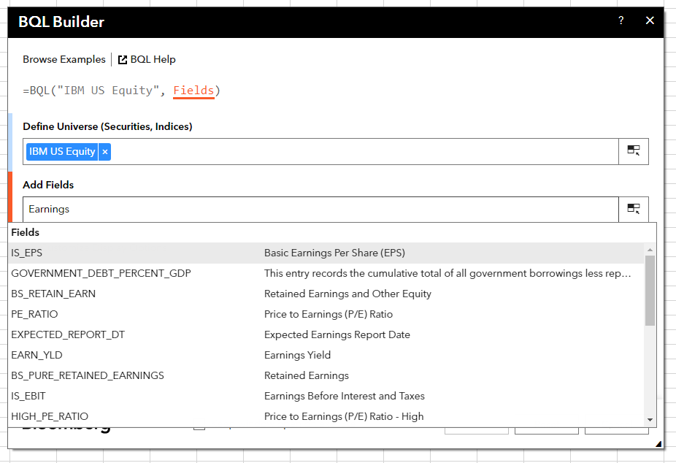
 | Bloomberg Ribbon: BQL Builder + BQL Query Editor
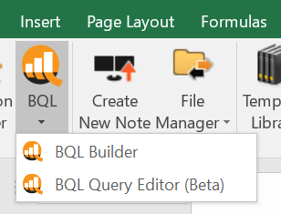

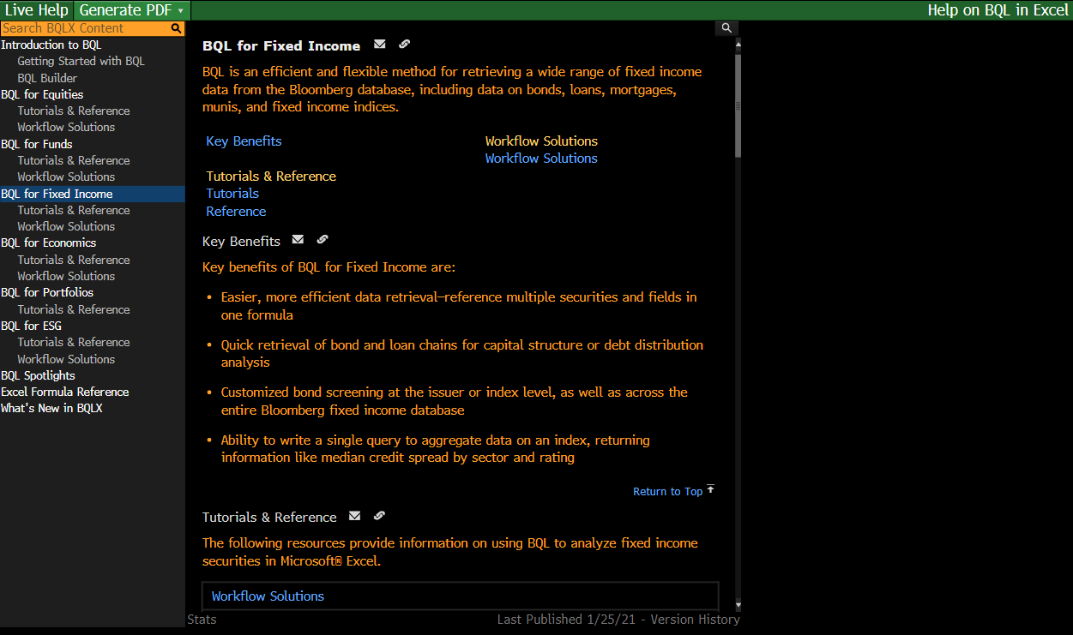
 | BQLX <GO> for HELP Page

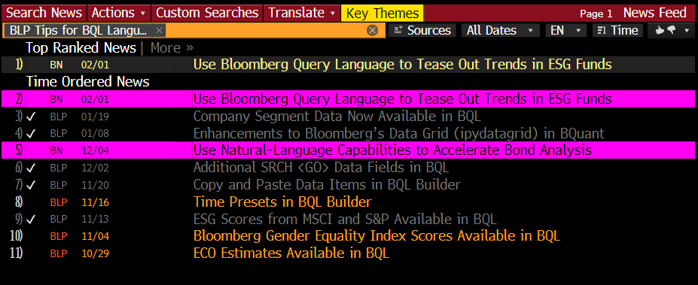
 | NI BLPBQL <GO>
 | Please subscribe it from "Actions" at the top -> Set Alert Delivery

